Menu Order
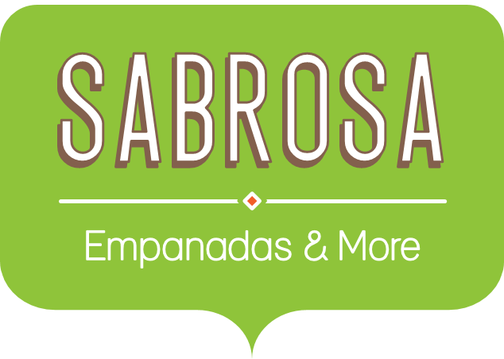 Textbook Order
Students |  |  |  |  | 30
Sales Tax |  |  |  |  | 8.0%
Courses | Texbook Fee | Quantity | Cost | Sales Tax | Total
Science | $124.00 | 4 | $14,880.00 | $1,190.40 | $16,070.40
Math | $234.00 | 4
CTE | $134.00 | 4
ESL | $67.00 | 2
English | $234.00 | 4
History | $355.00 | 4
Total

