Fundraising Events
FUNDRAISING EVENTS

EVENT NAME | EVENT DATE | CONTACT | FUNDS NEEDED | FUNDS RAISED | % of GOAL | EVENT TYPE
Winter Carnival | 2012-01-21 | Walter Harp | $75,000.00 | $82,000.00 | 109% | Fundraising
Spring Banquet | 2012-04-20 | Johnson Apacible | $90,000.00 | $84,250.00 | 94% | Fundraising
Strike Out Hunger | 2012-06-23 | Toni Poe | $120,000.00 | $124,750.00 | 104% | Fundraising
Summer Collection Drive | 8/11 - 8/18 | Sharon Salavaria | $10,000.00 | $11,200.00 | 112% | Collection
Community Hunger Seminar | 2012-10-08 | Stuart Munson | $10,000.00 | $12,500.00 | 125% | Education
Winter Food Drive | 12/1 - 12/15 | Barbara Zighetti | $15,000.00 | $18,500.00 | 123% | Collection
TOTALS | 6 |  | $320,000.00 | $333,200.00 | 111%
Goal Exceeded!
These numbers are preliminary. I need to check with the director before releasing the worksheet to the board for review.

Volunteers
Confidential. Do not share this information without permission from a committee chair.
VOLUNTEER DATABASE

LastName | FirstName | Title | DateStarted | Events | Email | Phone | Status
Affronti | Michael | Volunteer | 7/15/1997 | Fundraising | michael@example.com | (7175551234 | Active
Bedecs | Anna | Volunteer | 2/27/2005 | Fundraising | anna@example.com | (7175552850 | Active
Bowen | Eli | Volunteer | 8/25/2001 | Collections | eli@example.com | (7175551335 | Active
Bule | Nana | Administrator | 6/23/2005 | Fundraising | nana@example.com | (7175552648 | Inactive
Dow | Jane | Fundraising Committee Chair | 9/15/2002 | Education | jane@example.com | (7175551436 | Inactive
Elliott | Patrick | Fundraising Events Coordinator | 9/5/2004 | Fundraising | patrick@example.com | (7175552446 | Active
Florian | Karel | Volunteer | 6/6/2006 | Collections | karel@example.com | (7175551941 | Active
Jane | Darcy | Volunteer | 9/2/1996 | Education | darcy@example.com | (7175551739 | Active
Jirsak | Peter | Education Committee Chair | 3/22/2002 | Collections | peter@example.com | (7175552951 | Active
Keever | Bruce | Volunteer | 7/14/1999 | Fundraising | bruce@example.com | (7175552547 | Active
Lo | Renee | Collection Committee Chair | 6/30/2000 | Fundraising | renee@example.com | (7175551638 | Active
Machado | Manuel | Volunteer | 8/2/2002 | Fundraising | manuel@example.com | (7175551537 | Active
Merriam | Jesse | Volunteer | 4/10/2001 | Fundraising | jesse@example.com | (7175552042 | Active
Riis | Anders | Collection Events Coordinator | 3/15/2001 | Education | anders@example.com | (7175551840 | Inactive
Salavaria | Sharon | Education Events Coordinator | 6/25/1999 | Collections | sharon@example.com | (7175552749 | Active
Schaller | George | Director | 5/25/2001 | Fundraising | george@example.com | (7175552244 | Active
Toh | Karen | Volunteer | 7/22/2003 | Collections | karen@example.com | (7175552345 | Inactive
Vrettos | Connie | Volunteer | 5/22/1999 | Education | connie@example.com | (7175552143 | Active
Zighetti | Barbara | Assistant Director | 1/5/2001 | Education | barbara@example.com | (7175553052 | Active

Overlap
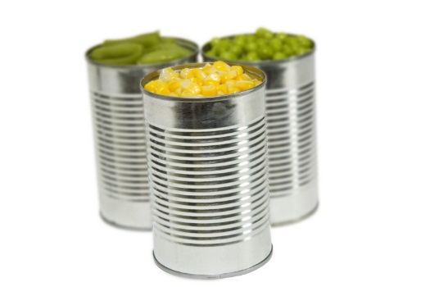
Goals Exceeded!
Great Fundraisers!
Food Drive

